Non-road summary
Metadata
GAINS IAM Model Release 4.0.3 (October 2023) (Greenhouse Gas - Air Pollution Interactions and Synergies)
https://gains.iiasa.ac.at/models/gains_models4.html
Data downloaded 10/14/24
User jm110
Scenario: ECLIPSE_V6b_CLE_base
Region: All EMF Regions

GWP values from AR5 WG1 Chapter 8 Supplemental (8SM) Table 8.SM.17
Pollutant | GWP20 | GWP100
BC | 2421.1 | 658.6
CH4 | 83.9 | 28.5

Definition of GAINS non-road sub-sectors
Sub-sector | Definition
TRA_OT_CNS | Mobile machines in construction and industry
TRA_OT_AGR | Tractors and mobile machines in agriculture and forestry
TRA_OT_RAI | Railways
TRA_OT_SHIP_NAT | Movement of ships between ports in the same country and fishing vessels
TRA_OT_OTHER | Vehicles and small machines with 2-stroke engines; civil aviation for domestic flights; and other non-road sources with 4-stroke engines, including household, forestry, military vehicles, motorboats, and gas by pipeline compressors

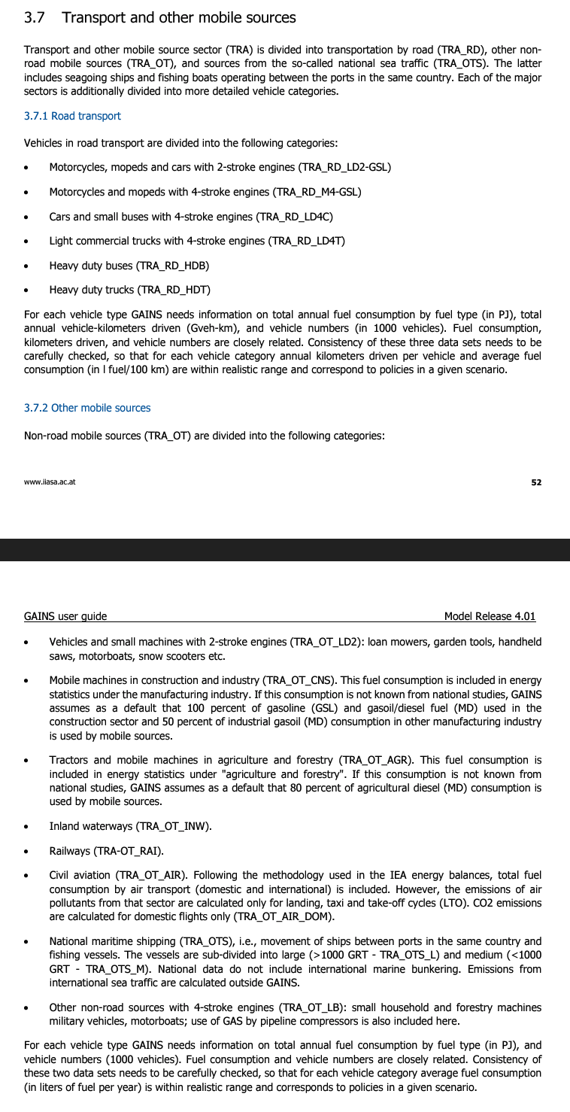
CO2 emissions from non-road transport (Mt CO2) |  |  |  |  |  |  |  |  |  |  |  |  |  | https://gains.iiasa.ac.at/gains/download/GAINS-tutorial.pdf
 | 1990 | 1995 | 2000 | 2005 | 2010 | 2015 | 2020 | 2025 | 2030 | 2035 | 2040 | 2045 | 2050
TRA_OT_CNS | 122 | 100.99 | 110.09 | 116 | 119.42 | 135.7 | 259.09 | 264.83 | 258.71 | 273.47 | 287.07 | 284.86 | 279.65
TRA_OT_AGR | 218.22 | 227.75 | 201.59 | 227.26 | 227.06 | 222.61 | 244.1 | 245.81 | 241.81 | 236.74 | 232.24 | 229.91 | 221.23
TRA_OT_RAI | 92.03 | 74.01 | 82.09 | 98.26 | 82.94 | 90.4 | 82.05 | 77.59 | 73.8 | 70.4 | 66.31 | 61.24 | 55.17
TRA_OT_SHIP_NAT | 74.87 | 61.53 | 129.96 | 140.41 | 146.93 | 180.01 | 169.28 | 185.68 | 199.43 | 210.09 | 216.53 | 218.22 | 213.11
TRA_OT_OTHER | 311.24 | 284.69 | 309.03 | 327.79 | 332.55 | 378.04 | 380.94 | 408.63 | 443.57 | 483.8 | 530 | 579.66 | 631.17
SUM | 818.32 | 748.94 | 832.75 | 909.7 | 908.91 | 1006.77 | 1135.42 | 1182.52 | 1217.35 | 1274.47 | 1332.15 | 1373.94 | 1400.33
ALL SUM | 818.33 | 748.95 | 832.72 | 909.72 | 908.91 | 1006.77 | 1135.43 | 1182.51 | 1217.36 | 1274.48 | 1332.14 | 1373.92 | 1400.34

BC emissions from non-road transport (kt PM)
 | 1990 | 1995 | 2000 | 2005 | 2010 | 2015 | 2020 | 2025 | 2030 | 2035 | 2040 | 2045 | 2050
TRA_OT_CNS | 98.19 | 82.21 | 88.79 | 86.46 | 84.62 | 82.66 | 115.69 | 103.7 | 93.89 | 99.9 | 105.81 | 105.41 | 104.79
TRA_OT_AGR | 148.32 | 156.19 | 140.44 | 148.52 | 140.75 | 124.82 | 104.56 | 93.27 | 86.95 | 84.02 | 81.85 | 80.22 | 77.93
TRA_OT_RAI | 54.66 | 44.03 | 48.81 | 56.54 | 46.19 | 44.49 | 35.66 | 30.29 | 27.55 | 25.7 | 25.31 | 24.5 | 22.9
TRA_OT_SHIP_NAT | 27.88 | 23.29 | 67.73 | 72.71 | 76.66 | 94.26 | 85.66 | 93.98 | 100.64 | 106.99 | 110.91 | 112.66 | 110.31
TRA_OT_OTHER | 16.97 | 7.55 | 5.93 | 8.47 | 8.88 | 8.91 | 6.99 | 6.22 | 5.62 | 5.22 | 5.02 | 4.92 | 4.93
SUM | 346.04 | 313.31 | 351.75 | 372.65 | 357.11 | 355.13 | 348.57 | 327.48 | 314.7 | 321.89 | 328.88 | 327.72 | 320.87
ALL SUM | 346.04 | 313.32 | 351.77 | 372.67 | 357.11 | 355.13 | 348.57 | 327.47 | 314.71 | 321.88 | 328.9 | 327.75 | 320.86

CH4 emissions from non-road transport (kt CH4)
 | 1990 | 1995 | 2000 | 2005 | 2010 | 2015 | 2020 | 2025 | 2030 | 2035 | 2040 | 2045 | 2050
TRA_OT_CNS | 6.91 | 5.7 | 6.24 | 6.57 | 6.86 | 7.88 | 15.11 | 15.5 | 15.34 | 16.27 | 17.22 | 17.14 | 16.88
TRA_OT_AGR | 12.32 | 12.84 | 11.38 | 12.88 | 13.13 | 13.03 | 14.3 | 14.48 | 14.33 | 14.08 | 13.83 | 13.76 | 13.3
TRA_OT_RAI | 5.21 | 4.2 | 4.63 | 5.58 | 4.76 | 5.22 | 4.74 | 4.55 | 4.38 | 4.2 | 3.94 | 3.66 | 3.31
TRA_OT_SHIP_NAT | 7.07 | 5.81 | 12.19 | 13.15 | 14.02 | 17.22 | 16.34 | 17.94 | 19.33 | 20.33 | 20.97 | 21.11 | 20.62
TRA_OT_OTHER | 12.18 | 8.97 | 7.57 | 7.87 | 8.66 | 9.37 | 11.44 | 10.8 | 10.6 | 10.6 | 10.64 | 10.56 | 10.56
SUM | 43.66 | 37.55 | 42.03 | 46.05 | 47.44 | 52.73 | 61.95 | 63.3 | 63.96 | 65.49 | 66.64 | 66.25 | 64.65
ALL SUM | 43.67 | 37.57 | 42.01 | 46.06 | 47.43 | 52.73 | 61.92 | 63.3 | 63.96 | 65.49 | 66.63 | 66.26 | 64.68

CO2-equivalent emissions from non-road transport (Mt CO2e using GWP-20)
 | 1990 | 1995 | 2000 | 2005 | 2010 | 2015 | 2020 | 2025 | 2030 | 2035 | 2040 | 2045 | 2050
TRA_OT_CNS | 360.3 | 300.5 | 325.6 | 325.9 | 324.9 | 336.5 | 540.5 | 517.2 | 487.3 | 516.7 | 544.7 | 541.5 | 534.8
TRA_OT_AGR | 578.4 | 607.0 | 542.6 | 587.9 | 568.9 | 525.9 | 498.4 | 472.8 | 453.5 | 441.3 | 431.6 | 425.3 | 411.0
TRA_OT_RAI | 224.8 | 181.0 | 200.7 | 235.6 | 195.2 | 198.6 | 168.8 | 151.3 | 140.9 | 133.0 | 127.9 | 120.9 | 110.9
TRA_OT_SHIP_NAT | 143.0 | 118.4 | 295.0 | 317.6 | 333.7 | 409.7 | 378.0 | 414.7 | 444.7 | 470.8 | 486.8 | 492.8 | 481.9
TRA_OT_OTHER | 353.3 | 303.7 | 324.0 | 349.0 | 354.8 | 400.4 | 398.8 | 424.6 | 458.1 | 497.3 | 543.0 | 592.5 | 644.0
SUM | 1659.8 | 1510.6 | 1687.8 | 1815.9 | 1777.5 | 1871.0 | 1984.6 | 1980.7 | 1984.5 | 2059.2 | 2134.0 | 2172.9 | 2182.6

CO2-equivalent emissions from non-road transport (Mt CO2e using GWP-100)
 | 1990 | 1995 | 2000 | 2005 | 2010 | 2015 | 2020 | 2025 | 2030 | 2035 | 2040 | 2045 | 2050
TRA_OT_CNS | 186.9 | 155.3 | 168.7 | 173.1 | 175.3 | 190.4 | 335.7 | 333.6 | 321.0 | 339.7 | 357.2 | 354.8 | 349.1
TRA_OT_AGR | 316.3 | 331.0 | 294.4 | 325.4 | 320.1 | 305.2 | 313.4 | 307.7 | 299.5 | 292.5 | 286.5 | 283.1 | 272.9
TRA_OT_RAI | 128.2 | 103.1 | 114.4 | 135.7 | 113.5 | 119.8 | 105.7 | 97.7 | 92.1 | 87.4 | 83.1 | 77.5 | 70.3
TRA_OT_SHIP_NAT | 93.4 | 77.0 | 174.9 | 188.7 | 197.8 | 242.6 | 226.2 | 248.1 | 266.3 | 281.1 | 290.2 | 293.0 | 286.3
TRA_OT_OTHER | 322.8 | 289.9 | 313.2 | 333.6 | 338.6 | 384.2 | 385.9 | 413.0 | 447.6 | 487.5 | 533.6 | 583.2 | 634.7
SUM | 1047.5 | 956.4 | 1065.6 | 1156.5 | 1145.4 | 1242.2 | 1366.8 | 1400.0 | 1426.4 | 1488.3 | 1550.7 | 1591.6 | 1613.5

Chart: CO2-equivalent emissions from non-road transport (Mt CO2e using GWP-20)
 | 1990 | 1995 | 2000 | 2005 | 2010 | 2015 | 2020 | 2025 | 2030 | 2035 | 2040 | 2045 | 2050
Construction and industry | 360 | 301 | 326 | 326 | 325 | 336 | 540 | 517 | 487 | 517 | 545 | 542 | 535
Agriculture and forestry | 578 | 607 | 543 | 588 | 569 | 526 | 498 | 473 | 454 | 441 | 432 | 425 | 411
Railways | 225 | 181 | 201 | 236 | 195 | 199 | 169 | 151 | 141 | 133 | 128 | 121 | 111
Domestic shipping | 143 | 118 | 295 | 318 | 334 | 410 | 378 | 415 | 445 | 471 | 487 | 493 | 482
Other non-road mobile machinery | 353 | 304 | 324 | 349 | 355 | 400 | 399 | 425 | 458 | 497 | 543 | 592 | 644
SUM | 1660 | 1511 | 1688 | 1816 | 1777 | 1871 | 1985 | 1981 | 1984 | 2059 | 2134 | 2173 | 2183

Non-road mobile machinery
Non-road: 2 Gt CO2e
Road transport
 | Passenger 2-wheelers | Light-duty diesel vehicles | Light-duty gasoline vehicles | Heavy-duty vehicles | Road wear | Other road transport
1990 | 154 | 598 | 2117 | 1608 | 49 | 524
1995 | 167 | 825 | 2309 | 1827 | 56 | 585
2000 | 167 | 970 | 2476 | 2176 | 66 | 656
2005 | 199 | 1220 | 2586 | 2433 | 75 | 737
2010 | 246 | 1137 | 2628 | 2789 | 92 | 834
2015 | 290 | 1130 | 2779 | 2914 | 103 | 1006
2020 | 250 | 943 | 2844 | 3028 | 109 | 956
2025 | 242 | 902 | 2935 | 3047 | 127 | 1002
2030 | 227 | 817 | 2970 | 3070 | 142 | 1044
2035 | 216 | 711 | 2924 | 3189 | 157 | 1077
2040 | 198 | 652 | 2928 | 3385 | 170 | 1134
2045 | 173 | 611 | 2937 | 3550 | 179 | 1179
2050 | 150 | 590 | 2913 | 3716 | 187 | 1224
HDV: 3 Gt CO2e

Non-road mobile machinery
Road transport
 | Heavy-duty vehicles
1990 | 1608
1995 | 1827
2000 | 2176
2005 | 2433
2010 | 2789
2015 | 2914
2020 | 3028
2025 | 3047
2030 | 3070
2035 | 3189
2040 | 3385
2045 | 3550
2050 | 3716

